Sheet1
Subject: |  |  | Patamon |  |  |  |  |  |  | Date: |  |  |  | 2021.4.18
 |  | M

 |  | 1 | 2 | 3 | 4 | 5 | 6 | 7 | 8 | 9 | 10 | 11 | 12 |  |  | BlackRock | 1 | 2 | 3 | 4 | 5 | 6 | 7 | 8 | 9 | 10 | 11 | 12
A | 1 |  |  |  |  | 37 |  |  |  |  |  | 60 |  | 1 |  | 1 |  |  |  |  | 7 | 6 | 5 | 4 | 3 | 2 | 1 |  | 1
 | 2 |  |  |  |  |  |  |  |  |  | 69 |  |  | 2 |  | 2 |  |  |  | 16 | 15 | 14 | 13 | 12 | 11 | 10 | 9 | 8 | 2
 | 3 |  |  |  |  |  |  |  |  |  |  |  |  | 3 |  | 3 |  |  | 26 | 25 | 24 | 23 | 22 | 21 | 20 | 19 | 18 | 17 | 3
 | 4 |  |  |  |  |  |  |  |  |  |  |  |  | 4 |  | 4 |  |  | 36 | 35 | 34 | 33 | 32 | 31 | 30 | 29 | 28 | 27 | 4
 | 5 |  | 51 |  |  |  |  |  |  |  |  |  | 49 | 5 |  | 5 |  | 47 | 46 | 45 | 44 | 43 | 42 | 41 | 40 | 39 | 38 | 37 | 5
 | 6 |  |  |  |  |  |  | 44 |  |  |  |  |  | 6 |  | 6 |  | 58 | 57 | 56 | 55 | 54 | 53 | 52 | 51 | 50 | 49 | 48 | 6 | hard channel
 | 7 | 48.75 |  |  |  | 53 | 66 |  |  |  |  |  |  | 7 |  | 7 | 70 | 69 | 68 | 67 | 66 | 65 | 64 | 63 | 62 | 61 | 60 | 59 | 7 | easy channel
 | 8 |  |  |  |  |  | 59 |  |  |  |  |  |  | 8 |  | 8 | 82 | 81 | 80 | 79 | 78 | 77 | 76 | 75 | 74 | 73 | 72 | 71 | 8 | broken
 | 9 |  |  |  |  |  |  |  |  |  |  | 58 |  | 9 |  | 9 | 94 | 93 | 92 | 91 | 90 | 89 | 88 | 87 | 86 | 85 | 84 | 83 | 9 | have some problems, pass for some days
 | 10 |  |  |  |  |  |  |  |  |  |  |  |  | 10 | ` | 10 | 106 | 105 | 104 | 103 | 102 | 101 | 100 | 99 | 98 | 97 | 96 | 95 | 10
P | 11 |  | 92 |  |  |  |  |  |  |  |  |  |  | 11 |  | 11 | 118 | 117 | 116 | 115 | 114 | 113 | 112 | 111 | 110 | 109 | 108 | 107 | 11
 | 12 |  |  |  |  |  |  |  |  |  |  |  |  | 12 |  | 12 |  | 128 | 127 | 126 | 125 | 124 | 123 | 122 | 121 | 120 | 119 |  | 12
 |  | A | B | C | D | E | F | G | H | I | J | K | L |  |  |  | A | B | C | D | E | F | G | H | I | J | K | L
unit: turns |  |  | (125μm/turn) |  |  |  |  | recorder: |  | Zhongqiao Lin & Jianshu Li
recording system: |  |  | BlackRock |  |  |  |  | SU chs:
 |  |  |  |  |  |  |  | MU chs:
 |  |  |  |  |  |  |  | weak MU chs:
 |  |  |  |  |  |  |  | s: small
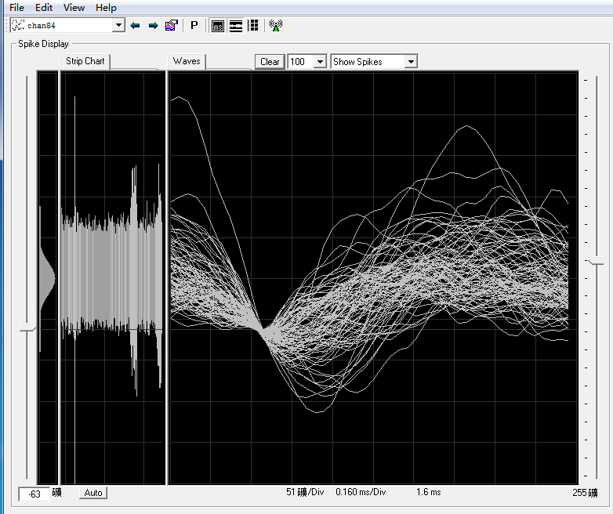
J10 50turns impedance normal (2089 KOhm)
B11 32turns impedance normal (941 KOhm) +60turns, SU, soon gone, another after a while
C10 30turns impedance normal (1588 KOhm)
K9 20 turns impedance normal (1185 KOhm) +25turns, strange noise(right hand side, related with drinking water), +5turns, noise disappear, +8turns, SU
A7 22 turns impedance normal (916 KOhm) +26turns MU, +0.75turns SU
F7 48turns impedance normal (1062 KOhm) +18turns=66turns, SU(br第65道接口坏了，实际SU深度比18要浅)
L8 18 turns impedance normal (628 KOhm)
G6 41 turns impedance normal (1763 KOhm) +3=44turns, SU
B5 22 turns impedance normal (1741 KOhm) +29=51turns, SU
L5 27 turns impedance normal (790 KOhm) +22=49turns, SU
K1 15 turns impedance normal (2035 KOhm) +45=60turns, SU
J2 36 turns impedance normal (1111 KOhm) +33=69turns SU
E1 23 turns impedance normal (265 KOhm) broken, +14=37turns, sure broken
E7 37 turns impedance normal (1184 KOhm) +16=53turns, SU
F8 49 turns impedance normal (1411 KOhm) +10=59turns, dead neuron then SU

